TestSummary
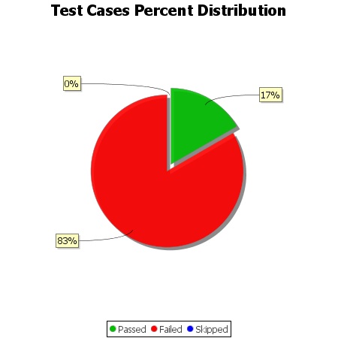
Total Test Cases | 6
Test Cases Passed | 1
Test Cases Failed | 5
Test Cases Skipped | 0

